Index
Accessibility Evaluation in Mobile Applications for Air Quality
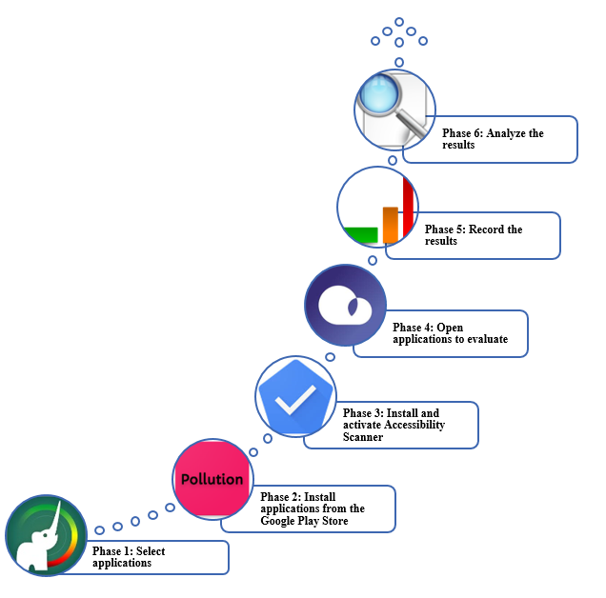

 | 1 Tools to mesure air quality

 | 2 Evaluation Accessibiliy

 | 3 Data Accessibility

 | 4 Analysis

 | 5 Graphic

 | 6 Descriptive statistics

 | 7 Most frequent accessibility

3 Data Accessibility
 | Table 2. Evaluation with Accessibility Scanner

Id | Tool | # Elements | Touch target | Text contrast | Item label | Item descriptions | Clickable items | Image contrast | Index
A | Air Pollution | 2 | 2 | 2 | 0 | 0 | 0 | 0
B | AirVisual | 45 | 7 | 22 | 11 | 2 | 3 | 0
C | Plume Air Report | 13 | 0 | 6 | 0 | 2 | 0 | 5
D | Air Quality Index BreezoMeter | 12 | 0 | 9 | 0 | 1 | 0 | 2
E | Air quality | 12 | 4 | 1 | 5 | 1 | 0 | 1
F | Air Quality: Monitor AQI | 13 | 1 | 1 | 1 | 8 | 1 | 1
G | Air! World Air Quality | 9 | 0 | 9 | 0 | 0 | 0 | 0
H | Clean Air Cast | 7 | 4 | 2 | 1 | 0 | 0 | 0
I | Air Quality Meter - PM10 & AQI | 113 | 68 | 39 | 1 | 5 | 0 | 0
J | Air Pollution Check | 1 | 1 | 0 | 1 | 0 | 0 | 0
 | Total | 227 | 87 | 91 | 20 | 19 | 4 | 9

4 Analysis
Analysis with Accessibility Scanner

Id | Tool | # Elements | %
I | Air Quality Meter - PM10 & AQI | 113 | 49.8 | Index
B | AirVisual | 45 | 19.8
C | Plume Air Report | 13 | 5.7
The tool with the highest number of failures corresponds to Air Quality Meter - PM10 & AQI with 113 failures corresponding to 49%, followed by AirVisual which has 45 failures and corresponds to 19.8%, third is the Plume Air Report tool that corresponds to 5.7%. The tools with the least accessibility problems are Air Pollution with 2 faults corresponding to 0.9%, finally, Air Pollution Check with a failure corresponding to 0.4%.
F | Air Quality: Monitor AQI | 13 | 5.7
D | Air Quality Index BreezoMeter | 12 | 5.3
E | Air quality | 12 | 5.3
G | Air! World Air Quality | 9 | 4.0
H | Clean Air Cast | 7 | 3.1
A | Air Pollution | 2 | 0.9
J | Air Pollution Check | 1 | 0.4
 |  | 227 | 100

5 Graphic
Fig. 5. Analysis with Accessibility Scanner

 | Text contrast | Item label | Item descriptions | Clickable items | Image contrast
A | 2 | 0 | 0 | 0 | 0
B | 22 | 11 | 2 | 3 | 0
C | 6 | 0 | 2 | 0 | 5
D | 9 | 0 | 1 | 0 | 2
E | 1 | 5 | 1 | 0 | 1
F | 1 | 1 | 8 | 1 | 1
G | 9 | 0 | 0 | 0 | 0
H | 2 | 1 | 0 | 0 | 0
I | 39 | 1 | 5 | 0 | 0
J | 0 | 1 | 0 | 0 | 0
 | Index

7 Most frequent accessibility
Fig. 6. Most frequent accessibility failures in mobile applications

The most frequent failures, in the accessibility of mobile applications, correspond to Text contrast with 91 failures corresponding to 39.6%, then Touch target with 87 failures and corresponds to 37.8%, in third place this Item label with 20 failures corresponding to 8.7 %, followed by Item descriptions with 19 and corresponds to 8.3%, then Image contrast with 9 failures with 3.9%, finally, Clickable items is the least frequent fault with 1.7%
 |  |  | Index
Features | Failure | %
Text contrast | 91 | 39.6
Touch target | 87 | 37.8
Item label | 20 | 8.7
Item descriptions | 19 | 8.3
Image contrast | 9 | 3.9
Clickable items | 4 | 1.7
 | 230 | 100.0

